Sheet1
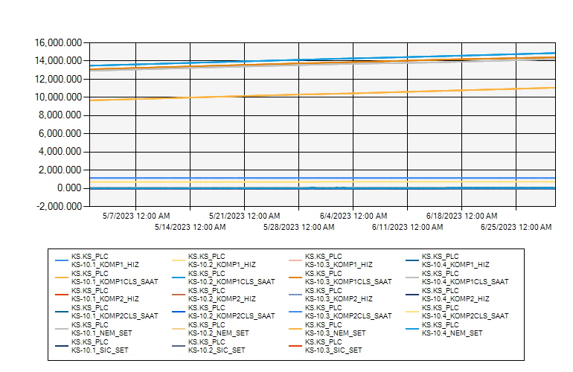
 | KS10 ODASI KLİMA VERİLERİ 2023 MAYIS-HAZİRAN

5/1/2023 12:00:00 AM - 6/30/2023 12:00:00 AM (Server Local)

